Interface
INPUT DATA
VIN [V] | Tolerance [%] | Tambiente [°C] | VOUT [V] | IOUT [mA] | Mouser Electronics
12.5 | 20 | 50 | 20 | 300

OUTPUT DATA
RL [W] | R [W] | Pz [W] | PSRR% | TL [°C] | Diode:
66.67 | 1 | 244.00 | -65.57 | 200 | Resistance: 1 Ω ± 5% 100ppm/°C

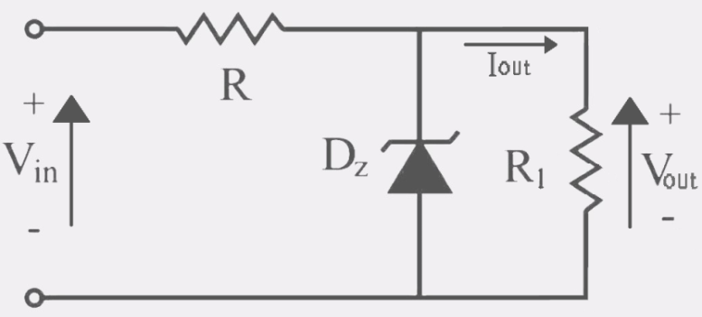
 |  |  |  |  |  | ERROR: The output voltage must be between 3,3V and Vin

Decadi E12
1.00 | 1
1.20 | 1.2
1.50 | 1.5 | R= | 1
1.80 | 1.8
2.20 | 2.2 |  |  |  |  |  | I | V
2.70 | 2.7 |  |  |  |  |  | 0.1 | 5.04
3.30 | 3.3 | Rz [W] | Vtyp [V] | VMAXnom-D [V] | Vmin [V] | VMAX [V] | 0.2 | 5.09
3.90 | 3.9 | -31.25 | 17.68 | 16.48 | 14.14 | 21.21 | 0.3 | 5.094
4.70 | 4.7 |  |  |  |  |  | 0.4 | 5.13
5.60 | 5.6 |  |  |  |  |  | 0.5 | 5.15
6.80 | 6.8 |  |  |  |  |  | 0.6 | 5.18
8.20 | 8.2 |  |  |  |  |  | 0.7 | 5.21
10 | 10 | I [A]= | 12.200 | Pr: |  |  | 0.8 | 5.23
12 | 12 | zener |  | 156.3 |  |  | 0.9 | 5.26
15 | 15
18 | 18
22 | 22
27 | 27
33 | 33
39 | 39
47 | 47
56 | 56
68 | 68
82 | 82
100 | 100
120 | 120
150 | 150
180 | 180
220 | 220
270 | 270
330 | 330
390 | 390
470 | 470
560 | 560
680 | 680
820 | 820
1000 | 1000
1200 | 1200
1500 | 1500
1800 | 1800
2200 | 2200
2700 | 2700
3300 | 3300
3900 | 3900
4700 | 4700
5600 | 5600
6800 | 6800
8200 | 8200

